EXERCISE 15
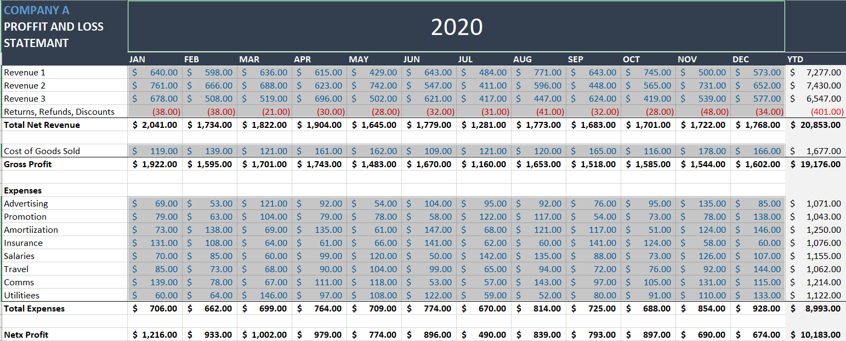
EXERCISE 15

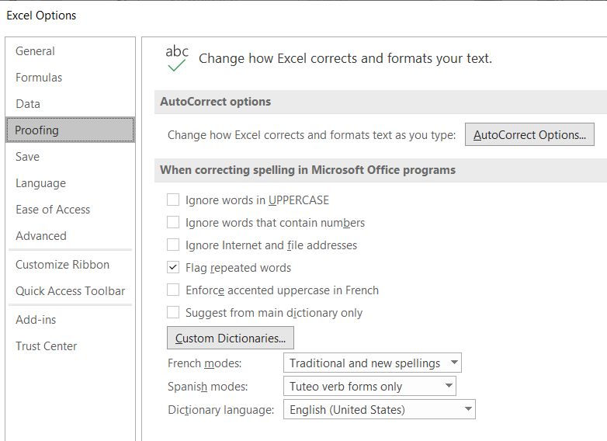
SPELL CHECKING A WORKSHEET | LOOKING UP INFORMATION
1. On the 'P&L' worksheet, run a spell check and correct any errors.
2. Ensure that the spell check has picked up ALL errors.
3. Review 'Proofing Settings' if the spell check isn't picking up all incorrect words.

PROTECTING CELLS AND WORKSHEETS
1. Apply protection to the worksheet so that only the cells that DO NOT contain formulas can be edited.
2. Unlock all cells that contain 'Constants (Numbers)'.
HINT: To make this easier, consider using 'GoTo Special' to select all constants.
3. Protect the worksheet with a password.
4. Test the protection is working by editing a cell that contains a formula.

